INFO
Products registered as "BETA to BASTA" or "DECLARED to BASTA"
The grades "BETA to BASTA" and "DECLARED to BASTA" only applies to chemical products that are chemically altered when used, for example via curing or drying. The grade means that the product meets the grade BETA/DECLARED on delivery, but that in its built-in stage it meets the grade BASTA. When a product is registered as "BETA to BASTA" or "DECLARED to BASTA" two assessment templates has to be filled out for the product, both as delivered and built-in.
Criteria covered by calculation and summation rules
Some of the criteria columns in the assessment template are marked with a green colour. The green column colour means that substances covered by this criterion should be summarised during the assessment of the product´s grade fulfillment. If substances are to be summarised for a criterion, this means that the substances in the product covered by the criterion are to be added together and that it is the total concentration that is to be compared with the concentration limit. The calculation and summation rules applied in the BASTA system are based on the rules in the CLP Regulation, (EG) No 1272/2008. | 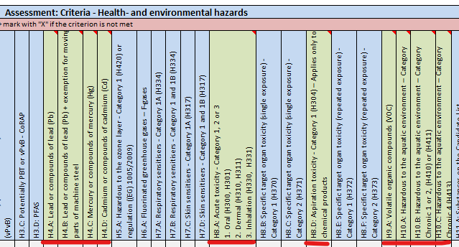
Automatic filled in colour for H-phrases
If a H-phrase is added to the column "Classification of the substance according to CLP" - a yellow mark up will then show in the column corresponding to the criteria, if the H-phrase is covered by the BASTA criteria. If multiple H-phrases is connected to the substance you can declare all of these on the same row, the H-phrases should in that case be separated by either a semicolon (;) or a comma (,). | 